Sheet1
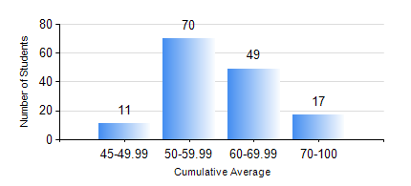
 |  |  | KWAME NKRUMAH UNIVERSITY OF SCIENCE AND TECHNOLOGY, KUMASI Department of Geomatic Engineering

 |  |  | BSC. GEOMATIC ENG.

 |  |  | COMPREHENSIVE RECORD OF EXAMINATION RESULTS

 |  |  | RESULTS OF YEAR 4 FIRST SEMESTER, 2019/2020 ACADEMIC YEAR

 | Sn | Course Code |  | Course Name | Credit Hours | Min. Mark | Max. Mark | Avg. Mark | Std. Dev. | No. Passed | No. Trailed | No. (Df) | No. (I) | No. (I*) | No. Tagged(I,I*,Df) | Total
 | 0. |  |  |  |  |  |  | 0 | 0 | 0 | 0 | 0 | 0 | 0 | 0 | 1
 | 1. | CE 461 |  | ENG ECONOMY AND ENTERPRENEURSHIP DEVELOPMENT | 3 | 11 | 98 | 51 | 20.01 | 113 | 33 | 0 | 0 | 0 | 0 | 146
 | 2. | GE 451 |  | GEODETIC SURVEYING II | 3 | 15 | 76 | 50 | 13.08 | 126 | 20 | 0 | 0 | 0 | 0 | 146
 | 3. | GE 461 |  | CADASTRAL SURVEYING | 3 | 35 | 80 | 61 | 8.46 | 145 | 1 | 0 | 0 | 0 | 0 | 146
 | 4. | GE 463 |  | LAND AND GEOGRAPHIC INFORMATION SYSTEM I | 3 | 50 | 88 | 70 | 8.31 | 146 | 0 | 0 | 0 | 0 | 0 | 146
 | 5. | GE 475 |  | GEOMATIC METHODS | 2 | 66 | 86 | 76 | 4.72 | 146 | 0 | 0 | 0 | 0 | 0 | 146
 | 6. | GE 491 |  | PROJECT I | 4 | 22 | 82 | 69 | 8.95 | 139 | 4 | 1 | 2 | 0 | 3 | 146

